Sheet1
Assignment1 | Display unique customer's as well as Employees
 | FullName,Address,City,Region,PostalCode,Country,Phone
 | whose name starts with character 'A'.

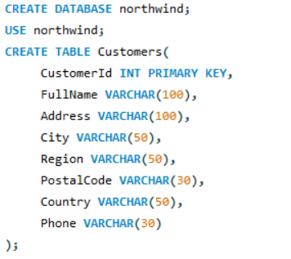
Create Customer table

Inserting the values

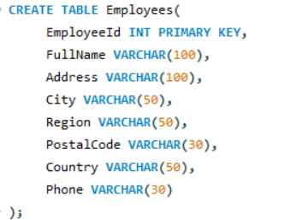
Create Employees table

Inserting the values

Query

Result

Assignment2 | Display customer's as well as Employees FullName,
 | Address,City,Region,PostalCode,Country,Phone who are living in india

Query

Result

